Sheet1
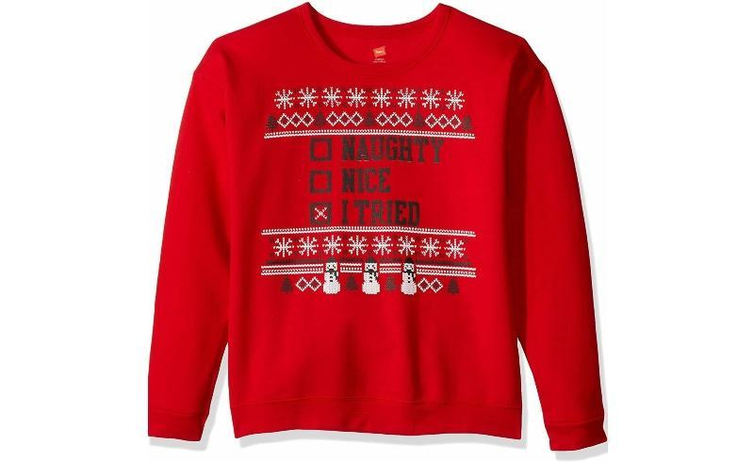
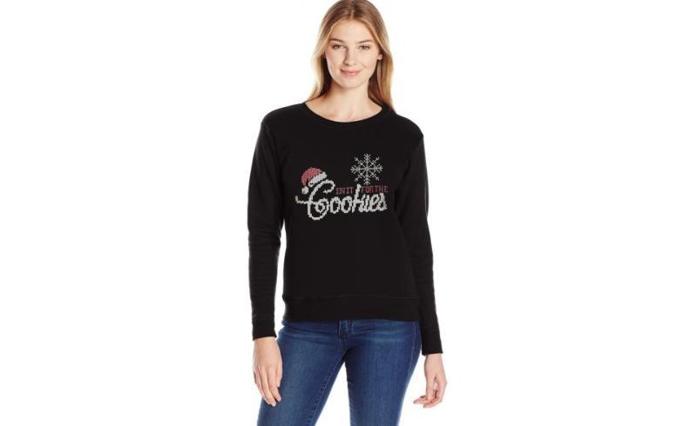
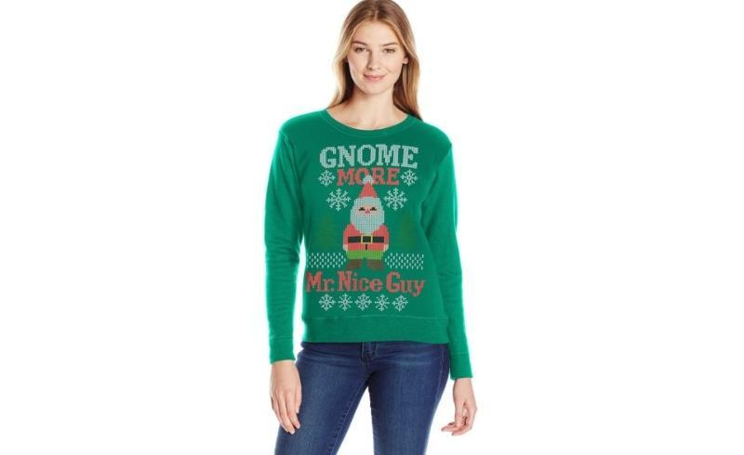
 |  |  |  | Ugly Christmas Sweaters

Make | Model | Description | Quantity | MSRP | Total MSRP | Size | Color | UPC
HANES | O4876 | Hanes Women's Ugly Christmas Sweatshirt | 4 | $10.00 | $40.00 | MEDIUM | Y06335/EMERALD NIGHT | 90563702381
HANES | O4876 | Hanes Women's Ugly Christmas Sweatshirt | 22 | $10.00 | $220.00 | MEDIUM | Y06462/EMERALD NIGHT | 90563702435
HANES | O4876 | Hanes Women's Ugly Christmas Sweatshirt | 11 | $10.00 | $110.00 | LARGE | Y06469/EMERALD NIGHT | 90563702893
HANES | O4876 | Hanes Women's Ugly Christmas Sweatshirt | 5 | $10.00 | $50.00 | LARGE | Y06462/EMERALD NIGHT | 90563702442
HANES | O4876 | Hanes Women's Ugly Christmas Sweatshirt | 23 | $10.00 | $230.00 | X LARGE | Y06462/EMERALD NIGHT | 90563702459
HANES | O4876 | Hanes Women's Ugly Christmas Sweatshirt | 8 | $10.00 | $80.00 | X LARGE | Y07285/EMERALD NIGHT | 738994332752
HANES | O4876 | Hanes Women's Ugly Christmas Sweatshirt | 24 | $10.00 | $240.00 | 2X LARGE | Y06335/EMERALD NIGHT | 90563702411
HANES | O4876 | Hanes Women's Ugly Christmas Sweatshirt | 15 | $10.00 | $150.00 | 2X LARGE | Y06335/EMERALD NIGHT | 90563702411
HANES | O4876 | Hanes Women's Ugly Christmas Sweatshirt | 7 | $10.00 | $70.00 | X LARGE | Y06519/NAVY | 90563703005
HANES | O4876 | Hanes Women's Ugly Christmas Sweatshirt | 24 | $10.00 | $240.00 | 2X LARGE | Y06336/NAVY | 90563702619
HANES | O4876 | Hanes Women's Ugly Christmas Sweatshirt | 21 | $10.00 | $210.00 | 2X LARGE | Y06519/NAVY | 90563703012
HANES | O4876 | Hanes Women's Ugly Christmas Sweatshirt | 19 | $10.00 | $190.00 | 2X LARGE | Y06463/NAVY | 90563702510
HANES | O4876 | Hanes Women's Ugly Christmas Sweatshirt | 10 | $10.00 | $100.00 | SMALL | Y06522/BLACK | 90563703128
HANES | O4876 | Hanes Women's Ugly Christmas Sweatshirt | 22 | $10.00 | $220.00 | MEDIUM | Y06522/BLACK | 90563703135
HANES | O4876 | Hanes Women's Ugly Christmas Sweatshirt | 15 | $10.00 | $150.00 | LARGE | Y06461/BLACK | 90563702749
HANES | O4876 | Hanes Women's Ugly Christmas Sweatshirt | 23 | $10.00 | $230.00 | LARGE | Y06465/BLACK | 90563702541
HANES | O4876 | Hanes Women's Ugly Christmas Sweatshirt | 14 | $10.00 | $140.00 | LARGE | Y06338/BLACK | 90563702640
HANES | O4876 | Hanes Women's Ugly Christmas Sweatshirt | 24 | $10.00 | $240.00 | X LARGE | Y06339/BLACK | 90563702701
HANES | O4876 | Hanes Women's Ugly Christmas Sweatshirt | 22 | $10.00 | $220.00 | X LARGE | Y06338/BLACK | 90563702657
HANES | O4876 | Hanes Women's Ugly Christmas Sweatshirt | 9 | $10.00 | $90.00 | X LARGE | Y06465/BLACK | 90563702558
HANES | O4876 | Hanes Women's Ugly Christmas Sweatshirt | 15 | $10.00 | $150.00 | X LARGE | Y06339/BLACK | 90563702701
HANES | O4876 | Hanes Women's Ugly Christmas Sweatshirt | 48 | $10.00 | $480.00 | 2X LARGE | Y06339/BLACK | 90563702718
HANES | O4876 | Hanes Women's Ugly Christmas Sweatshirt | 18 | $10.00 | $180.00 | 2X LARGE | Y06339/BLACK | 90563702718
HANES | O4876 | Hanes Women's Ugly Christmas Sweatshirt | 22 | $10.00 | $220.00 | 2X LARGE | Y06465/BLACK | 90563702565
HANES | O4876 | Hanes Women's Ugly Christmas Sweatshirt | 12 | $10.00 | $120.00 | LARGE | Y06470/BARBADOS RED | 90563702947
HANES | O4876 | Hanes Women's Ugly Christmas Sweatshirt | 15 | $10.00 | $150.00 | X LARGE | Y06467/BARBADOS RED | 90563702800
HANES | O4876 | Hanes Women's Ugly Christmas Sweatshirt | 23 | $10.00 | $230.00 | X LARGE | Y06470/BARBADOS RED | 90563702954
HANES | OD131 | Hanes Boys' Ugly Christmas Sweatshirt | 48 | $8.00 | $384.00 | MEDIUM | Y07195/BEST RED | 738994326522
HANES | OD131 | Hanes Boys' Ugly Christmas Sweatshirt | 24 | $8.00 | $192.00 | X LARGE | Y07759/BEST RED | 192503105471
HANES | O4876 | Hanes Women's Ugly Christmas Sweatshirt | 7 | $10.00 | $70.00 | 2X LARGE | Y07288/BEST RED | 738994332714
 |  |  | 554 |  | $5,396.00

